Wastewater Criteria
Wastewater Generation Criteria - Assumptions & Calculation

Return Ratio |  |  |  | TE Production Rate

Domestic Ratio | 85% | Can be adjusted |  | TE Production Rate
Tanker Ratio | 85% | Can be adjusted |  |  | 95% | Can be adjusted
Non-Domestic Ratio | 54% | Can be adjusted
Governmental Ratio | 54% | Can be adjusted |  | Sludge Production Rate

Maximum Distance from STP by road

 |  |  |  | Sludge rate [kg/m3]
 |  |  |  |  | 0.25 | Can be adjusted
Distance (km) | 25 | Can be adjusted

Infiltration Ratio

Infiltration Ratio | 10% | Can be adjusted
*Only applied to settlement with network

STP Margin Security

Margin coefficient | 10% | Can be adjusted

Weekly Peak

Weekly Peak | 20% | Can be adjusted

Collection Factor |  |  | Assumptions: 1 customer collected either by tanker or network produce the same amount of wastewater to the STP. If a customer is not collected by network he is collected by tanker. His flow is accounted 100% to the STP. |  |  |  |  |  |  |  | * This factor will be impacting the wastewater generation collected by tanker, fine tuning it could allow to calibrate the wastewater generation in order to fit the actual flow treated by the STPs.

Gov_Code | Governorate | 2021 | 2022 | 2023 | 2024 | 2025 | 2026 | 2027 | 2028 | 2029 | 2030 | 2031 | 2032 | 2033 | 2034 | 2035 | 2036 | 2037 | 2038 | 2039 | 2040 | 2041 | 2042 | 2043 | 2044 | 2045 | 2046 | 2047 | 2048 | 2049 | 2050
01 | Muscat |  |  |  | 100% | 100% | 100% | 100% | 100% | 100% | 100% | 100% | 100% | 100% | 100% | 100% | 100% | 100% | 100% | 100% | 100% | 100% | 100% | 100% | 100% | 100% | 100% | 100% | 100% | 100% | 100%
03 | Musandam |  |  |  | 100% | 100% | 100% | 100% | 100% | 100% | 100% | 100% | 100% | 100% | 100% | 100% | 100% | 100% | 100% | 100% | 100% | 100% | 100% | 100% | 100% | 100% | 100% | 100% | 100% | 100% | 100%
04 | Al Buraymi |  |  |  | 100% | 100% | 100% | 100% | 100% | 100% | 100% | 100% | 100% | 100% | 100% | 100% | 100% | 100% | 100% | 100% | 100% | 100% | 100% | 100% | 100% | 100% | 100% | 100% | 100% | 100% | 100%
05 | Ad Dakhliyah |  |  |  | 100% | 100% | 100% | 100% | 100% | 100% | 100% | 100% | 100% | 100% | 100% | 100% | 100% | 100% | 100% | 100% | 100% | 100% | 100% | 100% | 100% | 100% | 100% | 100% | 100% | 100% | 100%
06 | Al Batinah North |  |  |  | 100% | 100% | 100% | 100% | 100% | 100% | 100% | 100% | 100% | 100% | 100% | 100% | 100% | 100% | 100% | 100% | 100% | 100% | 100% | 100% | 100% | 100% | 100% | 100% | 100% | 100% | 100%
07 | Al Batinah South |  |  |  | 100% | 100% | 100% | 100% | 100% | 100% | 100% | 100% | 100% | 100% | 100% | 100% | 100% | 100% | 100% | 100% | 100% | 100% | 100% | 100% | 100% | 100% | 100% | 100% | 100% | 100% | 100%
08 | Ash Sharqiyah South |  |  |  | 100% | 100% | 100% | 100% | 100% | 100% | 100% | 100% | 100% | 100% | 100% | 100% | 100% | 100% | 100% | 100% | 100% | 100% | 100% | 100% | 100% | 100% | 100% | 100% | 100% | 100% | 100%
09 | Ash Sharqiyah North |  |  |  | 100% | 100% | 100% | 100% | 100% | 100% | 100% | 100% | 100% | 100% | 100% | 100% | 100% | 100% | 100% | 100% | 100% | 100% | 100% | 100% | 100% | 100% | 100% | 100% | 100% | 100% | 100%
10 | Adh Dhahirah |  |  |  | 100% | 100% | 100% | 100% | 100% | 100% | 100% | 100% | 100% | 100% | 100% | 100% | 100% | 100% | 100% | 100% | 100% | 100% | 100% | 100% | 100% | 100% | 100% | 100% | 100% | 100% | 100%
11 | Al Wusta |  |  |  | 100% | 100% | 100% | 100% | 100% | 100% | 100% | 100% | 100% | 100% | 100% | 100% | 100% | 100% | 100% | 100% | 100% | 100% | 100% | 100% | 100% | 100% | 100% | 100% | 100% | 100% | 100%
 | Total NWS |  |  |  | 100% | 100% | 100% | 100% | 100% | 100% | 100% | 100% | 100% | 100% | 100% | 100% | 100% | 100% | 100% | 100% | 100% | 100% | 100% | 100% | 100% | 100% | 100% | 100% | 100% | 100% | 100%

Footprint Assumptions

Type of STPs | Capacity | Ratio (m²/m3/d)
MBR/SBR | Extension | 1.1 | Can be adjusted
Large STPs | 50,000 | 2.0 | Can be adjusted
Medium STPs | 20,000 | 3.8 | Can be adjusted
Small STPs (<20,000) |  | (the equation is from the graph below with empiric value from the existing STPs)
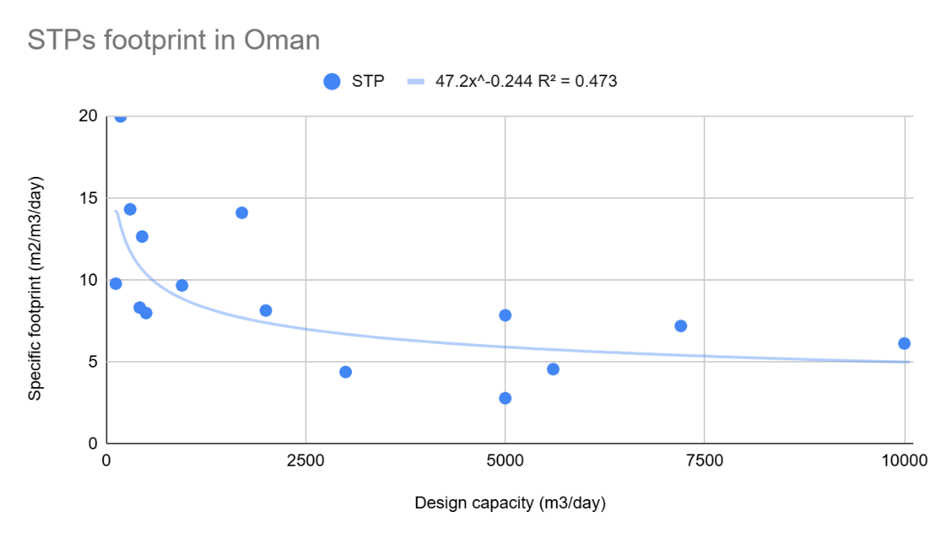

Energy Assumptions

MBR/SBR | 1.02 | kWh/m3 | Can be adjusted | RG MP 2018
ECAS | 0.82 | kWh/m3 | Can be adjusted | RG MP 2018
CAS | 0.69 | kWh/m3 | Can be adjusted | RG MP 2018
Solar Irradiance | 6.00 | kWh/m²/day | Can be adjusted | average value from bibliography
Panel Efficiency | 20% |  | Can be adjusted | average value from bibliography
Energy Production | 1.2 | kWh/m²/day | (calculation)
Assumptions of quantity to supply the STP | 70% |  | Can be adjusted | Assumptions, based on what is done on several assets

